RTA Data geo
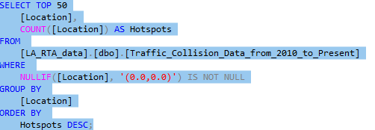
Location | Hotspots
(33.9892, -118.3089) | 611
(33.9601, -118.2827) | 544
(34.2012, -118.4662) | 527
(34.2216, -118.4488) | 517
(34.2355, -118.5536) | 514
(34.1867, -118.4662) | 459
(34.2012, -118.4313) | 452
(34.1016, -118.3387) | 445
(34.1721, -118.4662) | 434
(33.942, -118.4095) | 421
(34.2012, -118.4487) | 406
(34.0183, -118.3556) | 401
(33.96, -118.309) | 393
(34.1939, -118.4487) | 376 | Nullif was used to omit location coordinates given as 0.0.0.0 which was most a likely a data error
(34.0691, -118.2917) | 373
(34.2573, -118.5361) | 370
(34.2355, -118.4676) | 370
(34.2214, -118.4677) | 362
(34.1939, -118.536) | 357
(34.0908, -118.3092) | 356
(33.9747, -118.2827) | 354
(34.1938, -118.5884) | 354
(33.96, -118.3003) | 352
(33.9746, -118.309) | 336
(33.9601, -118.2782) | 335
(34.0216, -118.3556) | 334
(34.2012, -118.4052) | 332
(34.2575, -118.5023) | 329
(33.9892, -118.2827) | 327
(33.989, -118.3308) | 327
(33.9747, -118.2783) | 325
(34.0716, -118.3614) | 322
(34.2355, -118.5361) | 320
(34.0109, -118.2915) | 320
(33.9892, -118.2915) | 319
(34.0473, -118.2916) | 318
(33.9746, -118.3003) | 314
(34.0436, -118.309) | 312
(34.1685, -118.6058) | 309
(34.1939, -118.4662) | 308
(34.1866, -118.5535) | 307
(34.098, -118.3441) | 305
(34.1867, -118.3703) | 304
(33.931, -118.2826) | 304
(34.2012, -118.5011) | 304
(34.2207, -118.5361) | 303
(34.1866, -118.5011) | 302
(33.9601, -118.2739) | 302
(34.0109, -118.3089) | 302
(34.0037, -118.3089) | 300

RTA data location
Address | Location | Hotspots
SHERMAN WY | (34.2012, -118.4662) | 299
TAMPA AV | (34.2355, -118.5536) | 284
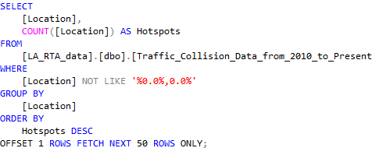
SHERMAN WY | (34.2012, -118.4052) | 253
SLAUSON AV | (33.9892, -118.3089) | 249
MANCHESTER AV | (33.9601, -118.2827) | 242
SHERMAN WY | (34.2012, -118.4313) | 237
VAN NUYS BL | (34.2216, -118.4488) | 236
SEPULVEDA BL | (34.1867, -118.4662) | 230
SHERMAN WY | (34.2012, -118.4094) | 228
LA BREA AV | (34.0183, -118.3556) | 209
SHERMAN WY | (34.2012, -118.4487) | 203
BURBANK BL | (34.1721, -118.4662) | 200
RESEDA BL | (34.1939, -118.536) | 199
ROSCOE BL | (34.2216, -118.4488) | 195
WESTERN AV | (33.9892, -118.3089) | 195 | Nullif was used to omit location coordinates given as 0.0.0.0 which was most a likely a data error
TAMPA AV | (34.2428, -118.5536) | 193
DEVONSHIRE ST | (34.2573, -118.5361) | 184
SEPULVEDA BL | (34.2012, -118.4662) | 179
SLAUSON AV | (33.9892, -118.2915) | 178
VERMONT AV | (34.0473, -118.2916) | 174
ROSCOE BL | (34.2214, -118.4721) | 173
SEPULVEDA BL | (34.2355, -118.4676) | 172
VENTURA BL | (34.1685, -118.6058) | 172
SEPULVEDA BL | (34.2214, -118.4677) | 171
VANOWEN ST | (34.1939, -118.4487) | 170
HOLLYWOOD BL | (34.1016, -118.3387) | 168
SHERMAN WY | (34.2012, -118.5011) | 168
MANCHESTER AV | (33.96, -118.3003) | 168
MANCHESTER AV | (33.96, -118.309) | 166
SEPULVEDA BL | (34.1721, -118.4662) | 166
SHERMAN WY | (34.2012, -118.4138) | 164
LAUREL CANYON BL | (34.2469, -118.4195) | 163
SHERMAN WY | (34.2012, -118.4574) | 161
VANOWEN ST | (34.1939, -118.4618) | 160
CRENSHAW BL | (34.0085, -118.3351) | 159
VAN NUYS BL | (34.1939, -118.4487) | 158
ROSCOE BL | (34.2207, -118.5361) | 158
3RD ST | (34.0716, -118.3614) | 157
ROSCOE BL | (34.2212, -118.5055) | 157
IMPERIAL HY | (33.931, -118.2826) | 156
VANOWEN ST | (34.1939, -118.4662) | 156
WOODMAN AV | (34.2012, -118.4313) | 156
SUNSET BL | (34.098, -118.3441) | 155
DE SOTO AV | (34.1938, -118.5884) | 153
ROSCOE BL | (34.2202, -118.571) | 153
FLORENCE AV | (33.9747, -118.2783) | 153
DEVONSHIRE ST | (34.2575, -118.5023) | 153
SLAUSON AV | (33.9892, -118.2827) | 153
PACIFIC COAST HY | (33.791, -118.2917) | 152
FLORENCE AV | (33.9746, -118.3003) | 152

